Set parameters for the whole t
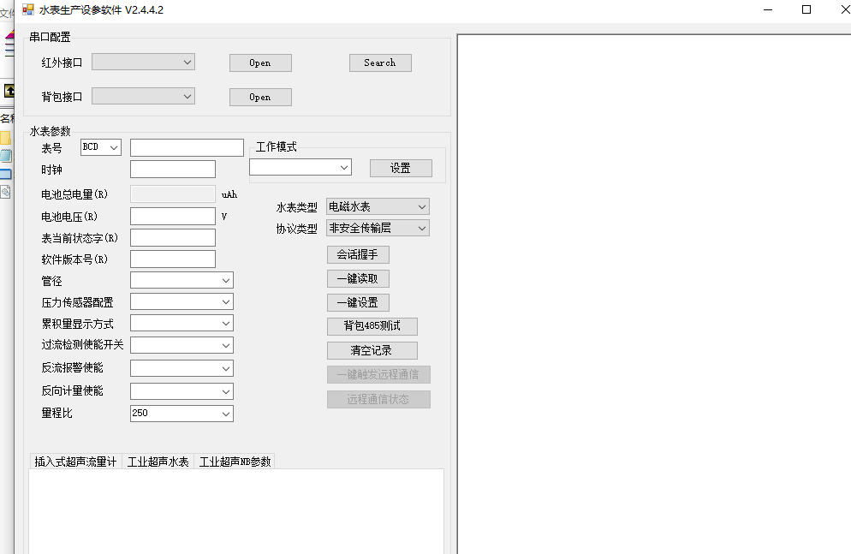
Original Goldcard Industrial Electromagnetic Water Meter:
 | Iranian electromagnetic water meters:
 | Settings/Read: | Read-only:
 | Table No. | Battery main voltage
 | clock | Battery backup voltage
 | Work mode | Current status word
 | One-click cleanup command for production | Main control software version
 | Valve/pump action configuration when the event occurs | Measurement software version
 | Local communication key
 | Remote communication key
 | Clear positive and negative accumulations
 | STS Key
 | Set production date
 | Daylight Saving Time Enabled
 | Daylight Saving Time Configuration

 | Customer communication IP address and port number
 | Customer Communication APN
 | Water meter type
 | Pipe diameter
 | Range ratio

